korelasi_pearson
$$\overline{x}$$
$$\overline{y}$$
x | y |  | x | y | (x-xbar) | (y-ybar) | (x-xbar)^2 | (y-ybar)^2 | (x-xbar)(y-ybar)
3.63 | 53.1 | 3.35 | 3.63 | 53.1 | 0.28 | 2.98 | 0.0784 | 8.8804 | 0.8344
3.02 | 49.7 | 50.12 | 3.02 | 49.7 | -0.33 | -0.42 | 0.1089 | 0.1764 | 0.1386
3.82 | 48.4 |  | 3.82 | 48.4 | 0.47 | -1.72 | 0.2209 | 2.9584 | -0.8084
3.42 | 54.2 |  | 3.42 | 54.2 | 0.07 | 4.08 | 0.0049 | 16.6464 | 0.2856
3.59 | 54.9 |  | 3.59 | 54.9 | 0.24 | 4.78 | 0.0576 | 22.8484 | 1.1472
2.87 | 43.7 |  | 2.87 | 43.7 | -0.48 | -6.42 | 0.2304 | 41.2164 | 3.0816
3.03 | 47.2 |  | 3.03 | 47.2 | -0.32 | -2.92 | 0.1024 | 8.5264 | 0.9344
3.46 | 45.2 |  | 3.46 | 45.2 | 0.11 | -4.92 | 0.0121 | 24.2064 | -0.5412
3.36 | 54.4 |  | 3.36 | 54.4 | 0.01 | 4.28 | 0.0001 | 18.3184 | 0.0428
3.3 | 50.4 |  | 3.3 | 50.4 | -0.05 | 0.28 | 0.0025 | 0.0784 | -0.014
 |  |  |  |  |  | Total | 0.8182 | 143.856 | 5.101

 |  |  |  |  |  |  |  | r | 0.47017723297

distribusi_normal
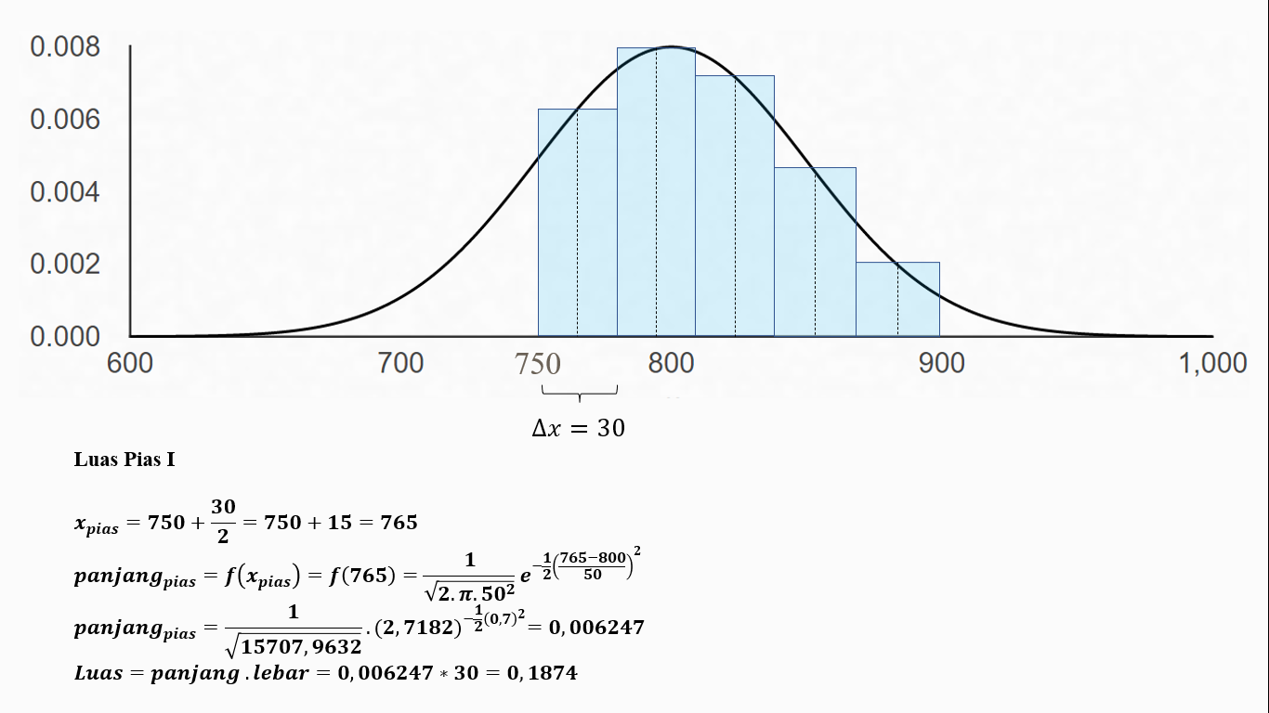
a | 750 |  | rata-rata | 800
b | 900 |  | sigma | 50
h | 5
$$∆x$$
 | 30

index pias | x | x_pias | f(x_pias) | L
1 | 750 | 765 | 0.0062466622638 | 0.18739986792
2 | 780 | 795 | 0.0079410640953 | 0.23823192286
3 | 810 | 825 | 0.0070430920354 | 0.21129276106
4 | 840 | 855 | 0.0043581483784 | 0.13074445135
5 | 870 | 885 | 0.0018814585176 | 0.056443755529
 |  |  | Total | 0.82411275872

linear_regression_ganda
$$\overline{x_{1}}$$
$$\overline{x_{2}}$$
index | X1 | X2 | Y |  | index | X1 | X2 | Y | X1^2 | X2^2 | Y^2 | X1*Y | X2*Y | X1*X2
1 | 12 | 10 | 6 | 15.142857143 | 1 | 12 | 10 | 6 | 144 | 100 | 36 | 72 | 60 | 120
2 | 14 | 11 | 7 | 13 | 2 | 14 | 11 | 7 | 196 | 121 | 49 | 98 | 77 | 154
$$\overline{y}$$
3 | 10 | 14 | 8 | 7.5714285714 | 3 | 10 | 14 | 8 | 100 | 196 | 64 | 80 | 112 | 140
4 | 16 | 13 | 8 |  | 4 | 16 | 13 | 8 | 256 | 169 | 64 | 128 | 104 | 208
5 | 18 | 15 | 9 |  | 5 | 18 | 15 | 9 | 324 | 225 | 81 | 162 | 135 | 270
6 | 24 | 20 | 10 |  | 6 | 24 | 20 | 10 | 576 | 400 | 100 | 240 | 200 | 480
7 | 12 | 8 | 5 |  | 7 | 12 | 8 | 5 | 144 | 64 | 25 | 60 | 40 | 96
 |  |  |  |  | Total | 106 | 91 | 53 | 1740 | 1275 | 419 | 840 | 728 | 1468

$$\sum{{\left(x_{1}\right)}^{2}=}\sum{{\left(X_{1}\right)}^{2}}−\frac{{\left(\sum{X_{1}}\right)}^{2}}{n}=1740−\frac{{\left(106\right)}^{2}}{7}=134.85$$
$$b_{1}=\frac{\left(\sum{{\left(x_{2}\right)}^{2}}\right)\left(\sum{x_{1}y}\right)−\left(\sum{x_{1}x_{2}}\right)\left(\sum{x_{2}y}\right)}{\left(\sum{{\left(x_{1}\right)}^{2}}\right)\left(\sum{{\left(x_{2}\right)}^{2}}\right)−{\left(\sum{x_{1}x_{2}}\right)}^{2}}=\frac{\left(92\right)\left(37.42\right)−(90)(39)}{\left(134.85\right)\left(92\right)−{\left(90\right)}^{2}}=−0.01564$$

$$\sum{{\left(x_{2}\right)}^{2}=}\sum{{\left(X_{2}\right)}^{2}}−\frac{{\left(\sum{X_{2}}\right)}^{2}}{n}=1275−\frac{{\left(91\right)}^{2}}{7}=92$$
$$b_{2}=\frac{\left(\sum{{\left(x_{1}\right)}^{2}}\right)\left(\sum{x_{2}y}\right)−\left(\sum{x_{1}x_{2}}\right)\left(\sum{x_{1}y}\right)}{\left(\sum{{\left(x_{1}\right)}^{2}}\right)\left(\sum{{\left(x_{2}\right)}^{2}}\right)−{\left(\sum{x_{1}x_{2}}\right)}^{2}}=\frac{\left(134.85\right)\left(39\right)−(90)(37.42)}{\left(134.85\right)\left(92\right)−{\left(90\right)}^{2}}=0.439216$$
$$\sum{{\left(y\right)}^{2}=}\sum{{\left(Y\right)}^{2}}−\frac{{\left(\sum{Y}\right)}^{2}}{n}=419−\frac{{\left(53\right)}^{2}}{7}=17.71$$

$$\sum{x_{1}y=}\sum{X_{1}Y}−\frac{\sum{X_{1}}\sum{Y}}{n}=840−\frac{106∗53}{7}=37.42$$
$$b_{0}=\overline{Y}−b_{1}\overline{X_{1}}−b_{2}\overline{X_{2}}=7.571429−\left(−0.01564∗15.14286\right)−\left(0.439216∗13\right)=2.098455$$

$$\sum{x_{2}y=}\sum{X_{2}Y}−\frac{\sum{X_{2}}\sum{Y}}{n}=728−\frac{91∗53}{7}=39$$
$$y=b_{0}+b_{1}X_{1}+b_{2}X_{2}$$

$$\sum{x_{1}x_{2}=}\sum{X_{1}X_{2}}−\frac{\sum{X_{1}}\sum{X_{2}}}{n}=1468−\frac{106∗91}{7}=90$$
$$y=2.098455−0.01564{ X}_{1}+0.439216 X_{2}$$

